Bugs
Category | Label | Value1 | Value2 | Value3 | Value4 | Value5 | Value6 | Value7
Bug ID | ID number | 1 | 2 | 3 | 4 | 5 | 6 | 7
 | Name | Upload unavailable | Invalid product name | Images unavailable | Invalid Product Price | Invalid help page | Missing image added while creating a new product | Invalid billing
 | Reporter | Sana | Sana | Sana | Sana | Sana | Sana | Sana
 | Submit Date | 17.05.2020. | 17.05.2020. | 17.05.2020. | 17.05.2020. | 17.05.2020. | 17.05.2020. | 17.05.2020.
Bug overview | Relates to | Products page | Products page | Products page | Products page | Account page | Products page | Seting product payment
 | Screenshot |  | 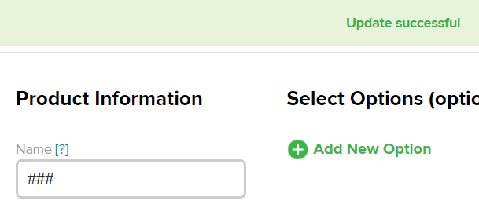
Environment | Platform | Web | Web | Web | Web | Web | Web page | Web page
 | Operating System | Windows 10 | Windows 10 | Windows 10 | Windows 10 | Windows 10 | Windows 10 | Windows 10
 | Browser | Opera | Opera | Opera | Opera | Opera | Opera | Opera
Bug details | Steps to reproduce | 1.Open browser 2.Open page: https://sandbox.2checkout.com/sandbox 3. Log in (user: sanalica696 ; password: 123456Aa ) 4. Click on products tab 5. Click on Upload | 1.Open browser 2.Open page: https://sandbox.2checkout.com/sandbox 3. Log in (user: sanalica696 ; password: 123456Aa ) 4. Click on products tab 5. Click on Add Product 6. Input "###" in the name field 7. Input 150 in the price field 8. Click on button - Save Changes | 1.Open browser 2.Open page: https://sandbox.2checkout.com/sandbox 3. Log in (user: sanalica696 ; password: 123456Aa ) 4. Click on products tab 5. Click on Images | 1.Open browser 2.Open page: https://sandbox.2checkout.com/sandbox 3. Log in (user: sanalica696 ; password: 123456Aa ) 4. Click on products tab 5. Click on Add Product 6. Input "shoes" in the name field 7. Input -3 or 0 in the price field 8. Click on button - Save Changes | 1.Open browser 2.Open page: https://sandbox.2checkout.com/sandbox 3. Log in (user: sanalica696 ; password: 123456Aa ) 4. Click on account tab 5. find text "Click on links to see calculations for totals" and click on sign"[?]" next to the text | 1.Open browser Open page: https://sandbox.2checkout.com/sandbox 2. Log in (user: sanalica696 ; password: 123456Aa ) 3. Click on products tab 4. Click on Add Product 5. Input jacket in the name field 6. Input the ID of product - "3" 7. Input in the price of the product - "200" 8. Click Save Changes 9. Click on Upload image button 10. Click on choose file (choose some random image from files) 11. Select from Image Input drop down menu - Product image 12. Click on sumbit 13. Click on "View" tab | 1.Open browser Open page https://sandbox.2checkout.com/sandbox; 2. Log in(user: sanalica696 ; password: 123456Aa ); 3.Click Products tab 4. click on "Add new Product" button; 5. Input product name- "phone" , 6. Input product price - 200, click on recurring-yes; 7. In startup fee input 300, in bill every input 2 and select weeks, in continue billing for input 3 years and click save ;
 | Expected result | It can be uploaded image | Error - Invalid name | Images are shown | Error - Invalid price | Opens help page | In products table row under "images" column - expected to see an icon image that was uploaded | Error message. Startup fee exceeds total price of the product
 | Actual result | Message: This section is unavailable | Update successful | Message: This section is unavailable | Update successful | Popup window with the message:This site can’t be reached | Green cricle with plus sign (for adding the image) | Payment method is accepted
 | Description | It should be allowed that user can upload image | Product name should be meaningful, special characters shouldn't be allowed | It should be allowed that user can view images | Product price shouldn't be 0 or negative number |  |  | /
Bug tracking | Severity | medium | high | medium | high | high | medium | High
 | Assigned to |  |  |  |  |  |  | /
 | Priority | medium | medium | medium | medium | medium | medium | High
Notes | Notes | It gives the same result if you try to add image at the view or edit products tabs clicking on the green plus |  |  |  |  |  | /

